PRODUCT TEST
CHENOA 135% Medium Income Test
 |  |  | INSTRUCTIONS:
Enter Median Household Income (Family of 4) |  |  |  | Step 1: Enter the Median Income (if 4 or less living in the home) Box 1
Complete if family size <= 4 (box1) | BOX 1 |  |  | Enter the income for very low take the number under 4 Persons in Family in box 2 (delete the lower number from Box 1 or Box 2)
 |  |  |  | For persons 5 and over always use Box 2
Enter "very low income" for Family Size
Complete if Family Size > 4 (box 2) | BOX 2 |  |  | Step 2: Enter 1003 Qualifying Income montly

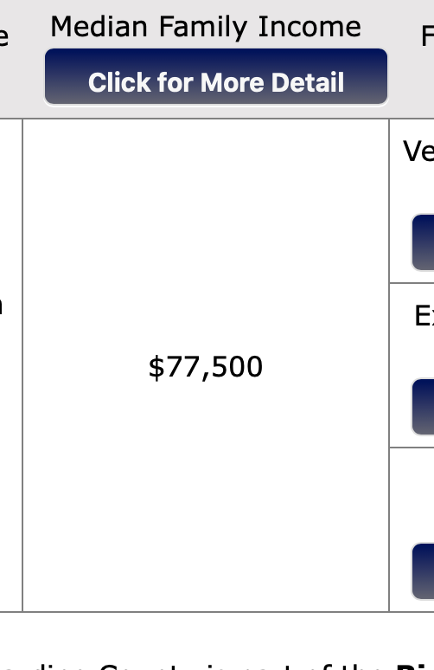
Qualifying Income Limit | $- | $- | Box 1 | Test results will automatically populate Pass or Fail in last box
 |  | $- | Box 2
Enter 1003 Qualifying Monthly Income

Annual Qualifying Income | $-

Qualifying Income Result |  |  |  |  | Box 2. Take number listed under 4
Income must be 135% AMI | PASS |  |  |  | Box 2 is also used for families with household members 5+

 | Hud income limits

 |  |  |  | Box 1

INSTRUCTIONS
Whether a borrower qualifies for a forgivable second mortgage or fully amortizing mortgage will depend upon the borrower’s area median income (“AMI”). When calculating the borrower’s AMI, go to the HUD Area Median Income Site (using other sites or methods may not correspond to CBC Mortgage Agency’s calculation, and therefore, may disqualify the income calculation used): The HUD Area Median Income site can be found online at:

Step 1: | Select the most recent fiscal year
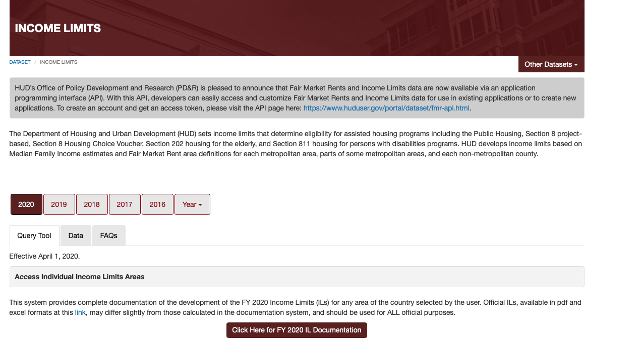

Step 3: | Click the Documentation button below to continue

Step 2: Click the Click here for Documentation to get to State and County

Step 3: Select State and County
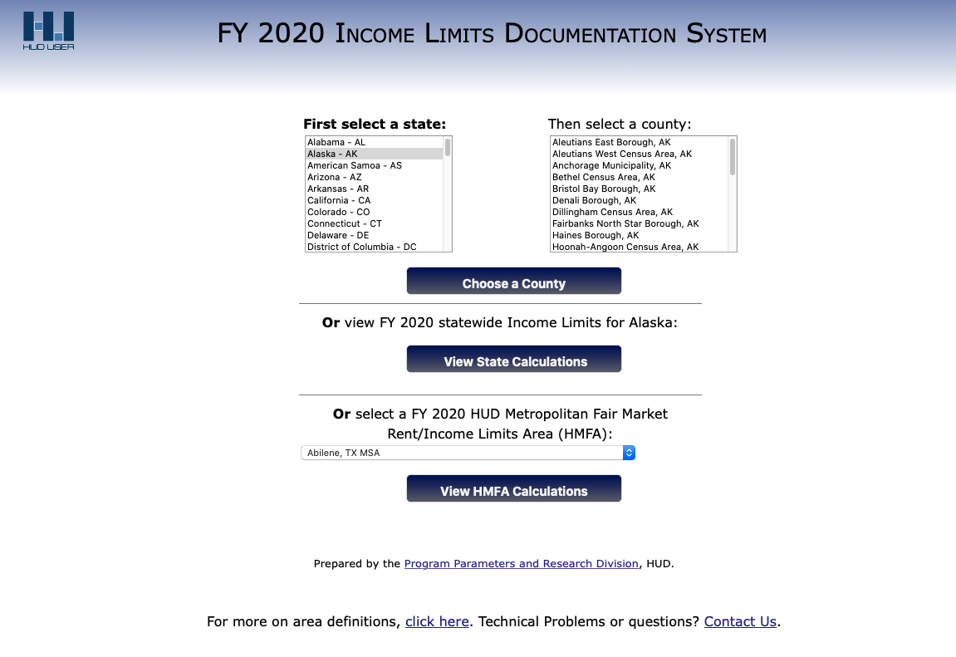

Step 4: | Select the State from the list or the FY HUD Metropolitan Fair Market Rent/Income Limits Area from the drop-down below

 | Result will appear, and the Median income for the area will be reflected
 | Put this in box 1 get the results and write down the number
 | Take the number under 4 persons in the family (very low) $39,500 in this case and put in box 2.
 | Take the highest qualifying income limit

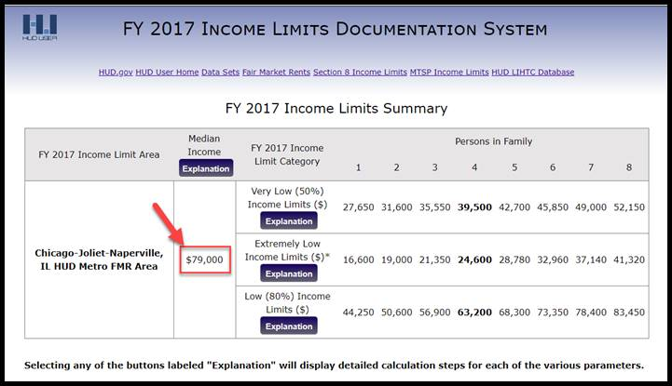

NOTE: FOR HOUSEHOLD SIZE 1-4 USE MEDIAN INCOME and USE THE NUMBER UNDER 4 PERSONS IN THE FAMILY IN BOX 2 TO GET THE HIGHEST NUMBER

FOR HOUSEHOLD SIZE 5+, USE VERY LOW (50%) INCOME LIMITS USE BOX 2 FOR 5+ ONLY

